Metadata
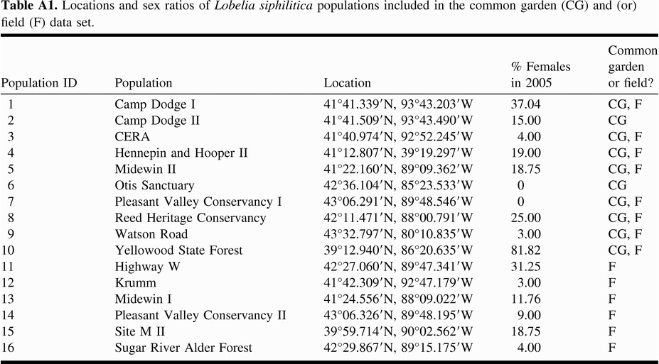
Data from: Caruso, Christina M. "Sexual dimorphism in floral traits of gynodioecious Lobelia siphilitica (Lobeliaceae) is consistent across populations." Botany 90.12 (2012): 1245-1251.
All measurements were done in populations grown in a greenhouse common garden.
Both Lobelia siphilitica is self-compatible.
Lobelia siphilitica is primarily bumblebee pollinated.
Lobelia siphilitica has a mixed mating system (although it can't autonomously self, so any selfing that does happen is geitonogamous.)
Location of populations:

